EN Horizontal

OPERATING DATA PREVIEW 9M25 |  |  |  |  |  |  |  |  |  |  |  |  |  |  |  |  |  |  |  | OPERATING DATA PREVIEW 9M25
Lisbon, October 17th, 2025 |  |  |  |  |  |  |  |  |  |  |  |  |  |  |  |  |  |  |  | Lisbon, October 17th, 2025

KEY HIGHLIGHTS |  |  |  |  |  |  | INSTALLED CAPACITY |  |  |  |  |  |  |  |  |  |  |  |  | ELECTRICITY GENERATION (1) |  |  |  |  |  |  |  |  |  |  |  |  |  |  |  |  |  | ENERGY DISTRIBUTION
EDP's total generation increased by 14% in 9M25 to 48TWh, following 14% YoY increase in Wind and Solar generation, with renewables representing ~90% of EDP's electricity generation mix.
Hydro generation in Iberia reached 9.0 TWh in 9M25, exceeding expectations by 1.9 TWh. Despite 3Q25 being slightly below average, the first nine months of 2025 were marked by strong hydro resources, 38% above the historical average, compared to 33% in 9M24. In the beginning of the year, reservoirs levels stood at ~60% and rose to 68% by the end of September 2025, above the average levels of 52% for the period. This increase reflects the significant rainfall recorded during the first months of the year, resulting in comfortable levels to endure the driest summer months. Hydro pumping generation rose by 28% YoY to 1.7 TWh in 9M25, supported by increased hourly electricity price volatility in Iberia and higher demand for flexgen ancilliary services.
Average electricity spot prices in Iberia increased +24% from €52/MWh in 9M24 to €65/MWh in 9M25.
Thermal generation rose significantly (+3.7 TWh YoY), driven primarily by combined cycle gas turbines (CCGTs), following increased demand for backup services, further intensified by the Iberian power outage on April 28th. After this event, flexible sources like CCGTs were prioritized to reinforce the resilience of the electricity system and ensure security of supply.
Over the last 12 months, EDP added +3.4 GW of total capacity (of which +3.3 GW at EDPR level, with the remaining from Solar DG in Europe and Brazil).
As of September 2025, capacity under construction stood at 2.3 GW supporting the expected capacity additions of ~2 GW in 2025, which are on track and on budget, as well as some capacity schedule for 2026.
The evolution of EDP’s installed capacity EBITDA in 9M25 was impacted by one asset rotation deal of 83 MW solar portfolio in Spain and a 121 MW wind portfolio across France and Belgium. Wind and solar installed capacity reached 20 GW (EBITDA + Equity) in 9M25, an increase of +18% or +3 GW YoY.
In the past 12 months, installed capacity equity was mainly impacted by: (i) two disposals in Brazil, including the sale of a 50% stake in two hydro power plants and a 20% stake in the Pecém coal power plant in 3Q25, (ii) the net impact of the conversion of the Aboño II thermal plant in Spain from coal to gas fired and (iii) portfolio additions related to attributable equity in wind offshore in UK in 4Q24.
Wind and solar generation increased by 14% YoY to 31 TWh (including solar DG in Europe and Brazil), supported by a strong increase of solar installed capacity in the last 12 months, mainly in North America. Wind generation decreased by 1% YoY, mainly impacted by Europe, driven by below average wind resources partially offset by improved wind conditions in South America.
The number of EDP's electricity clients in liberalised market Portugal, reached 3,429k as of September 2025, reflecting a stabilization trend vs. June, following EDP's competitive commercial offerings, the growing adoption of differentiated services and the continued delivery of high levels of customer service.
In Iberia, electricity distributed increased by 3% YoY and customers connected increased by 1% YoY. In Brazil, electricity distributed increased by 1% YoY, sustaining the high level of electricity demand recorded in 9M24 and supported by the 2% YoY increase in the number of customers connected.
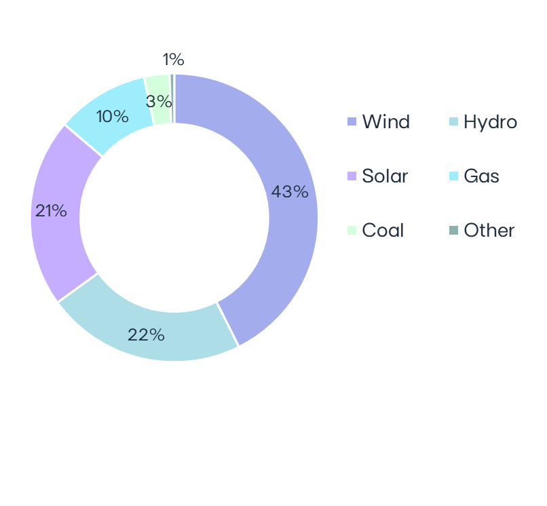
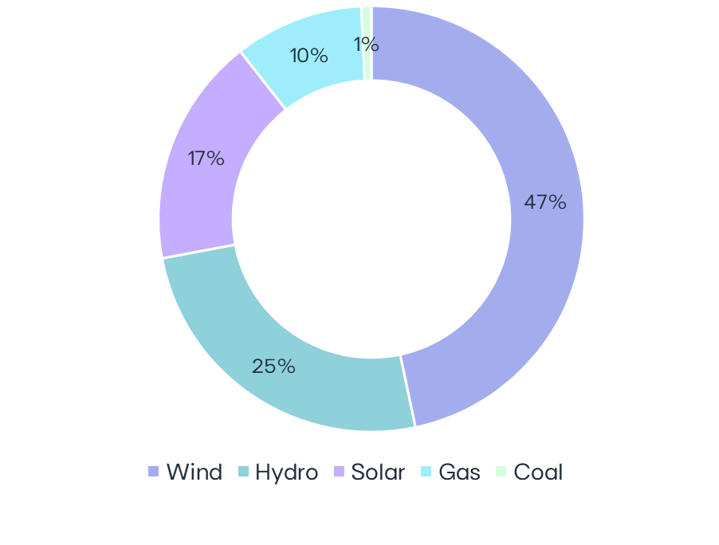
 |  |  |  |  |  |  | EBITDA MW |  |  | 9M25 | 9M24 | ∆ | ∆% | U/C |  |  |  |  |  | GWh |  | 9M25 |  | 9M24 |  | ∆ |  | ∆% |  |  | Electricity Generation | 9M25
 |  |  |  |  |  |  | Wind Onshore |  |  | 12,377 | 11,904 | +473 | +4% | 554 |  | Installed capacity | 9M25 |  |  |  | Wind Onshore |  | 22,419 |  | 22,584 |  | -164 |  | -1% |  |  |  |  |  |  |  |  |  | Iberia |  | 9M25 | 9M24 | ∆ | ∆%
 |  |  |  |  |  |  | North America |  |  | 6,408 | 6,363 | +45 | +1% | 196 |  | EBITDA + Equity MW |  |  |  | North America |  | 12,745 |  | 12,852 |  | -107 |  | -1% |  |  |  |  |  |  |  |  |  | Electricity distributed (GWh) |  | 45,852 | 44,569 | +1,283 | +3%
 |  |  |  |  |  |  | Europe |  |  | 4,813 | 4,710 | +103 | +2% | 358 |  |  |  |  |  | Europe |  | 7,450 |  | 7,883 |  | -434 |  | -6% |  |  |  |  |  |  |  |  |  | Portugal |  | 35,718 | 34,684 | +1,034 | +3%
 |  |  |  |  |  |  | South America |  |  | 1,155 | 831 | +325 | +39% |  |  |  |  |  |  | South America |  | 2,225 |  | 1,848 |  | +376 |  | +20% |  |  |  |  |  |  |  |  |  | Spain |  | 10,134 | 9,885 | +249 | +3%
 |  |  |  |  |  |  | Hydro |  |  | 6,924 | 6,921 | +3 | +0% |  |  |  |  |  |  | Hydro |  | 12,173 |  | 13,676 |  | -1,503 |  | -11%
 |  |  |  |  |  |  | Iberia (1) |  |  | 5,522 | 5,520 | +3 | +0% |  |  |  |  |  |  | Iberia(2) |  | 8,970 |  | 9,384 |  | -414 |  | -4% |  |  |  |  |  |  |  |  |  | Customers connected (th) |  | 7,990 | 7,922 | +68 | +1%
 |  |  |  |  |  |  | Brazil |  |  | 1,401 | 1,401 |  |  |  |  |  | 32 GW |  |  | Brazil |  | 3,203 |  | 4,293 |  | -1,089 |  | -25% |  |  |  |  | 48 TWh |  |  |  |  | Portugal |  | 6,586 | 6,526 | +60 | +1%
 |  |  |  |  |  |  | Solar utility Scale(2) |  |  | 4,713 | 2,921 | +1,793 | +61% | 772 |  |  |  |  |  | Solar utility Scale(3) |  | 6,887 |  | 3,190 |  | +3,697 |  | +116% |  |  |  |  |  |  |  |  |  | Spain |  | 1,404 | 1,396 | +8 | +1%
 |  |  |  |  |  |  | North America |  |  | 2,544 | 1,414 | +1,130 | +80% | 450 |  |  |  |  |  | North America |  | 4,439 |  | 1,471 |  | +2,968 |  | +202%
86% Renewables
~90%
Renewables
 |  |  |  |  |  |  | Europe |  |  | 1,108 | 540 | +568 | +105% | 312 |  |  |  |  |  | Europe |  | 1,063 |  | 640 |  | +422 |  | +66% |  |  |  |  |  |  |  |  |  | Brazil |  | 9M25 | 9M24 | ∆ | ∆%
 |  |  |  |  |  |  | South America & APAC |  |  | 1,061 | 967 | +95 | +10% | 10 |  |  |  |  |  | South America & APAC |  | 1,386 |  | 1,079 |  | +306 |  | +28% |  |  |  |  |  |  |  |  |  | Electricity distributed (GWh) |  | 22,456 | 22,279 | +177 | +1%
 |  |  |  |  |  |  | Solar DG(3) |  |  | 1,578 | 1,339 | +239 | +18% | 85 |  |  |  |  |  | Solar DG |  | 1,467 |  | 1,123 |  | +344 |  | +31% |  |  |  |  |  |  |  |  |  | Final customers |  | 10,743 | 11,110 | -368 | -3%
 |  |  |  |  |  |  |  | North America |  | 271 | 258 | +13 | +5% | 54 |  |  |  |  |  | North America |  | 246 |  | 247 |  | -0 |  | -0% |  |  |  |  |  |  |  |  |  | Access customers |  | 11,713 | 11,168 | +545 | +5%
 |  |  |  |  |  |  |  | Europe |  | 412 | 316 | +96 | +31% |  |  |  |  |  |  | Europe |  | 302 |  | 199 |  | +103 |  | +52%
 |  |  |  |  |  |  |  | South America |  | 197 | 191 | +6 | +3% |  |  |  |  |  |  | South America |  | 283 |  | 165 |  | +118 |  | +72% |  |  |  |  |  |  |  |  |  | Customers connected (th) |  | 4,002 | 3,925 | +77 | +2%
 |  |  |  |  |  |  |  | APAC |  | 698 | 574 | +124 | +22% | 31 |  | Capacity evolution | YoY |  |  |  | APAC |  | 636 |  | 513 |  | +123 |  | +24% |  |  |  |  |  |  |  |  |  | EDP São Paulo |  | 2,206 | 2,170 | +36 | +2%
 |  |  |  |  |  |  | Storage |  |  | 207 | 57 | +150 | - | 626 |  | EBITDA + Equity MW |  |  |  | Gas Iberia |  | 4,709 |  | 1,258 |  | +3,451 |  | +274% |  |  |  |  |  |  |  |  |  | EDP Espírito Santo |  | 1,796 | 1,755 | +40 | +2%
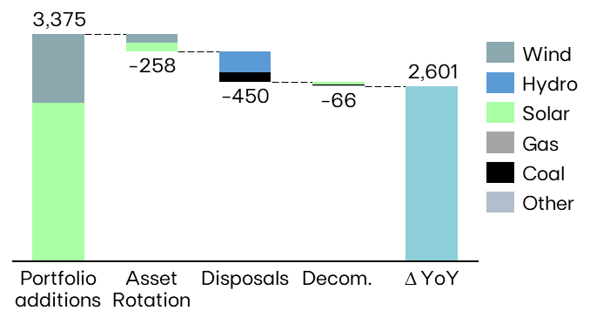
 |  |  |  |  |  |  |  | North America |  | 207 | 57 | +150 |  | 478 |  |  |  |  |  | Coal |  | 358 |  | 80 |  | +279 |  | +350%
 |  |  |  |  |  |  |  | Europe |  | 0 | 0 |  |  | 86 |  |  |  |  |  | Iberia |  | 358 |  | 80 |  | +279 |  | +350%
 |  |  |  |  |  |  |  | South America & APAC |  | 0 | 0 |  |  | 62 |  |  |  |  |  | Other (4) |  | 5 |  | 29 |  | -23 |  | -81%
 |  |  |  |  |  |  | Gas Iberia |  |  | 2,886 | 2,886 |  |  |  |  |  |  |  |  | Total |  | 48,019 |  | 41,939 |  | 6,080 |  | +15% |  |  |  |  |  |  |  |  |  | KEY OPERATIONAL ANNOUNCEMENTS
 |  |  |  |  |  |  | Coal |  |  | 916 | 916 |  |  |  |  |  |  |  |  | (1) Includes generation assets with controlling stakes, excludes equity MWs; (2) Includes small-hydro; (3) Includes hybrid solar; (4) Decomissioning of a cogeneration power plant in Portugal in 2Q25.
 |  |  |  |  |  |  | Iberia |  |  | 916 | 916 |  |  |  |  |  |  |  |  |  |  |  |  |  |  |  |  |  |  |  |  |  |  |  |  |  |  | 13-jan-2025 | EDP issues €750 million senior green notes
 |  |  |  |  |  |  | Other (4) |  |  | 0 | 17 | -17 | -100% |  |  |  |  |  |  |  |  |  |  |  |  |  |  |  |  |  |  |  |  |  |  |  |  | 26-feb-2025 | EDP announces Share Buyback of €100 million
 |  |  |  |  |  |  | EBITDA MW |  |  | 29,600 | 26,960 | +2,640 | +10% | 2,036 |  |  |  |  |  |  |  |  |  |  |  |  |  |  |  |  |  |  |  |  |  |  |  | 26-feb-2025 | EDP intends to opt to receive shares following scrip dividend announcement of EDPR
 |  |  |  |  |  |  | Equity MW (5) |  |  | 2,392 | 2,431 | -39 | -2% | 309 |  |  |  |  |  |  |  |  |  |  |  |  |  |  |  |  |  |  |  |  |  |  |  | 03-mar-2025 | EDP announces amendments to terms and conditions of hybrids issued by EDP
 |  |  |  |  |  |  | EBITDA + Equity MW |  |  | 31,992 | 29,391 | +2,601 | +9% | 2,345 |  |  |  |  |  |  |  |  |  |  |  |  |  |  |  |  |  |  |  |  |  |  |  | 28-mar-2025 | EDP signed two green loan agreements with the EIB in the amount of €500 million
 |  |  |  |  |  |  | (1) Includes small-hydro; (2) Solar capacity and solar load factors reported in MWac and includes hybrid solar; (3) As-a-service capacity ; (4) Decomissioning of a cogeneration power plant in Portugal in 2Q25.; (5) Including attributable MWs in equity-method consolidated associates (mostly in wind offshore, hydro Brazil and wind & solar mainly in Spain/US) and joint operations (Nuclear in Spain), and includes gas minority stakes Spain. |  |  |  |  |  |  |  |  |  |  |  |  |  |  |  |  |  |  |  |  |  |  |  |  |  |  |  |  |  |  | 15-apr-2025 | Payment of dividends – year 2024
 |  |  |  |  |  |  |  |  |  |  |  |  |  |  |  |  |  |  |  |  | ENERGY SUPPLY |  |  |  |  |  |  |  |  |  |  |  |  |  |  |  |  | 30-apr-2025 | EDP concludes asset rotation deal related to transmission line in Brazil
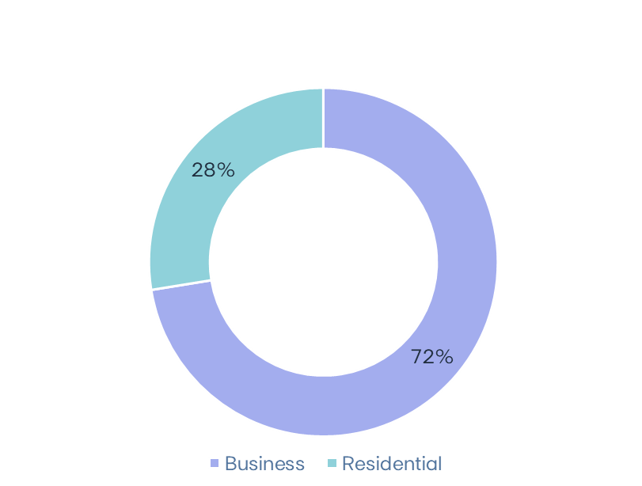
 |  |  |  |  |  |  |  |  |  |  |  |  |  |  |  |  |  |  |  |  | Volumes supplied (GWh) |  |  |  |  |  |  |  | No. of Clients (th) |  |  |  |  |  | Volumes of electricity supplied in Iberia - Liberalized | 9M25 |  |  | 15-may-2025 | EDP reaches agreement for Asset Rotation deal of 121 MW wind portfolio in France and Belgium
 |  |  |  |  |  |  |  |  |  |  |  |  |  |  |  |  |  |  |  |  |  |  | 9M25 |  | 9M24 |  | ∆% |  | 9M25 | Dec-24 |  | 9M24 |  | YoY% |  |  |  | 26-may-2025 | EDP reaches agreement for the sale of its remaining 20% stake in Pecém Thermal plant in Brazil
MARKET INDICATORS |  |  |  |  |  |  | LOAD FACTORS |  |  |  |  |  |  |  |  |  |  |  |  |  |  |  |  |  |  |  |  |  |  |  |  |  |  |  |  |  |  | 18-jun-2025 | EDP informs on completion of Asset Rotation deal for a 82 MWac solar portfolio in Spain
 |  |  |  |  |  |  | Load factors |  |  | 9M25 | 9M24 |  |  |  | Wind & Solar Production deviation vs. expected LT avg. Gross Capacity Factor | 9M25 vs 9M24 |  |  | Hydro resources deviation vs. historical avg. | 9M25 vs 9M24 |  |  | Electricity Iberia |  | 20,806 |  | 20,154 |  | +3% |  | 4,261 | 4,377 |  | 4,424 |  | -4% |  |  |  | 30-jun-2025 | EDP secures long-term contract for 60 MW of Storage in Poland
Iberian market |  |  |  | 9M25 | 9M24 | ∆% | Wind Onshore |  |  | 28% | 28% |  |  |  |  |  |  |  |  |  | Portugal Liberalized |  | 12,621 |  | 11,925 |  | +6% |  | 3,429 | 3,499 |  | 3,536 |  | -3% |  |  |  | 01-aug-2025 | EDP secures 384 MW of Solar and Storage in the US
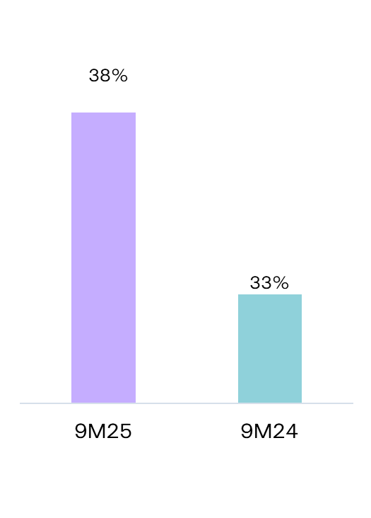
Average electricity spot price - Spain |  |  | €/MWh | 65.1 | 52.4 | +24% | North America |  |  | 31% | 30% |  |  |  |  |  |  |  |  |  | Portugal Regulated |  | 1,827 |  | 1,970 |  | -7% |  | 817 | 860 |  | 870 |  | -6% |  |  |  | 04-aug-2025 | EDP informs on Asset Rotation deal signed for a 190 MWac (229 MWdc) solar portfolio in Spain
9M25
9M24
Hydro coefficient - Portugal |  |  | 1.0 = avg. Year | 1.38 | 1.33 | 4% | Europe |  |  | 24% | 25% |  |  |  |  |  |  |  |  |  | Spain |  | 6,358 |  | 6,259 |  | +2% |  | 14 | 18 |  | 19 |  | -22% |  | 19 TWh |  | 05-aug-2025 | ANEEL approves EDP Espírito Santo’s regulatory parameters for 2025-2030 period
Hydro coefficient - Spain |  |  | 1.0 = avg. Year | 1.30 | 1.30 | 0% | South America |  |  | 38% | 37% |  |  |  |  |  |  |  |  |  |  |  |  |  |  |  |  |  |  |  |  |  |  |  |  |  |  | 13-aug-2025 | EDP informs on Asset Rotation deal signed for a 207 MWac (248 MWdc) solar portfolio in Italy
Brazilian market |  |  |  |  |  |  | Hydro |  |  | 27% | 30% |  |  |  |  |  |  |  |  |  | Gas Iberia |  | 3,672 |  | 3,363 |  | +9% |  | 552 | 564 |  | 569 |  | -3% |  |  |  | 13-aug-2025 | EDP completes disposal of two Hydro Power Plants in Brazil
Average spot price (PLD) |  |  | R$/MWh | 210 | 98 | 113% | Iberia(1) |  |  | 25% | 26% |  |  |  |  |  |  |  |  |  | Portugal Liberalized |  | 1,147 |  | 1,215 |  | -6% |  | 443 | 453 |  | 458 |  | -3% |  |  |  | 09-sep-2025 | EDP closes asset rotation deal for a 300 MWac solar portfolio and 92 MW of storage in the US
Generation Scalling Factor (GSF) (1) |  |  | % | 89% | 89% | -0% | Brazil |  |  | 35% | 47% |  |  |  |  |  |  |  |  |  | Portugal Regulated |  | 329 |  | 358 |  | -8% |  | 106 | 108 |  | 109 |  | -2% |  |  |  | 10-sep-2025 | EDP completes Asset Rotation deal for a 121 MW wind portfolio in France and Belgium
Exchange rates |  |  |  |  |  |  | Solar Utility Scale |  |  | 25% | 23% |  |  |  |  |  |  |  |  |  | Spain |  | 2,197 |  | 1,790 |  | +23% |  | 3 | 3 |  | 3 |  | -8%
EUR/USD | - | Average |  | 1.12 | 1.09 | -3% | Solar DG |  |  | 15% | 14%
EUR/BRL | - | Average |  | 6.32 | 5.70 | -10% | Gas Iberia |  |  | 25% | 7%
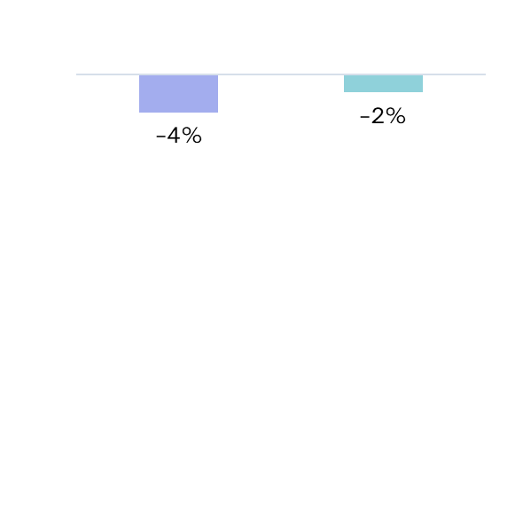
EUR/USD | - | End of period |  | 1.17 | 1.12 | -5% | Coal Iberia |  |  | 6% | 1% |  |  |  |  |  |  |  |  |  | 9M25 RESULTS RELEASE
EUR/BRL | - | End of period |  | 6.24 | 6.05 | -3% | Other(2) |  |  | 0% | 25% |  |  |  |  |  |  |  |  |  | EDP's 9M25 results will be released on November 5th, 2025. A conference call will be hosted by EDP's CEO, Mr. Miguel Stilwell d'Andrade and EDP's CFO, Mr. Rui Teixeira, on the next day at 8:00 am GMT. More information will be available on www.edp.com.
(1) Weighted average |  |  |  |  |  |  | (1) Includes small-hydro; (2) Decomissioning of a cogeneration power plant in Portugal in 2Q25.
Investor Relations Department | Phone: +351 21 001 28 34 | Email: ir@edp.com |  |  |  |  |  |  |  |  | www.edp.com |  |  |  |  |  |  |  |  |  | 1 |  | Investor Relations Department | Phone: +351 21 001 28 34 | Email: ir@edp.com |  |  |  |  |  |  |  |  |  |  |  |  |  |  |  | www.edp.com |  |  |  |  |  |  | 2

