EN Horizontal

OPERATING DATA PREVIEW 1Q25 |  |  |  |  |  |  |  |  |  |  |  |  |  |  |  |  |  |  |  | OPERATING DATA PREVIEW 1Q25
Lisbon, April 21st, 2025 |  |  |  |  |  |  |  |  |  |  |  |  |  |  |  |  |  |  |  | Lisbon, April 21st, 2025

KEY HIGHLIGHTS |  |  |  |  |  |  | INSTALLED CAPACITY |  |  |  |  |  |  |  |  |  |  |  |  | ELECTRICITY GENERATION (1) |  |  |  |  |  |  |  |  |  |  |  |  |  |  |  |  |  |  | ENERGY DISTRIBUTION
EDP's total generation increased by 5% in 1Q25 to 18.3 TWh, with renewables representing 91% of EDP's electricity generation mix.
Hydro generation in Iberia reached 4.2 TWh in 1Q25, exceeding expectations by 0.5 TWh. The quarter was marked by strong hydro resources, 42% above the historical average, compared to 38% in 1Q24. As of December 31st, of 2024 reservoir levels stood at 59% vs. 78% at the end of 2023. However, the significant rainfall recorded during the first quarter of 2025 contributed to the recovery of reservoir volumes to 88% in 1Q25 vs. 94% in 1Q24. Hydro pumping generation rose by 5% YoY to 0.6 TWh in 1Q25, supported by increased hourly electricity price volatility in Iberia.
Average electricity spot prices in Iberia almost doubled from 45€/MWh in 1Q24 to 85€/MWh in 1Q25.
CCGT generation increased by 1 TWh YoY, representing 8% of the total generation mix in 1Q25 vs. 2% in 1Q24, driven by higher demand for flexibility and backup services.
Over the last 12 months, EDP added +3.5 GW of wind and solar capacity (of which +3.4 GW at EDPR level and the remaining from solar DG in Europe and Brazil), supporting the expected capacity additions of ~2 GW in 2025, which are on track and on budget, reaching a wind and solar installed capacity of 19.9 GW (EBITDA + Equity) in March 2025, an increase of +18% or +3.0 GW YoY.
The evolution of EDP’s installed capacity over the last 12 months was impacted by asset rotation deals in Europe (0.5 GW), mainly in Italy (0.2 GW) in June and Poland (0.2 GW) in September. Regarding asset rotation in 2025, EDP currently has 2 transactions already signed in Spain and in US, while the bulk of the 2025 asset rotation plan execution is expected to be concentrated in the 2H25.
Wind and solar generation increased by 11% YoY to 11.1 TWh (including solar DG in Europe and Brazil), supported by a strong increase of solar installed capacity, mainly in North America. Wind generation decreased by 1% YoY, mainly impacted by Europe, driven by below average wind resources and the net impact from capacity additions and asset rotation closed in the last 12 months.
The decline in the number of EDP's electricity clients in liberalised market Portugal slowed down from -71k in 1Q24 to -47k in 1Q25, following a 5% increase in new client acquisitions and a substantial 10% reduction in client departures in 1Q25 vs. 1Q24. This performance reflects EDP's competitive commercial offerings together with the increasing penetration of differentiated services and maintenance of high levels of customers ‘service.
In Brazil, electricity distributed increased by 7% YoY, supported by high temperatures and the number of customers connected increased by 2% YoY. In Iberia, electricity distributed increased by 3% YoY and customers connected increased by 1% YoY. Particularly in Portugal, we continue to see a strong increase of connection requests related to the Energy Transition, namely for new renewable power connected, increasing 16% YoY, and for new electric mobility points, up by 30% YoY.
In Dec-24 and Mar-25, EDP celebrated two sale agreements: i) total disposal of its stake in the transmission line EDP Transmissão Aliança SC (Lote 21) and ii) two hydro power plants (UHE Cachoeira Caldeirão and UHE Santo Antônio do Jari), both with expected closing in 2H25.
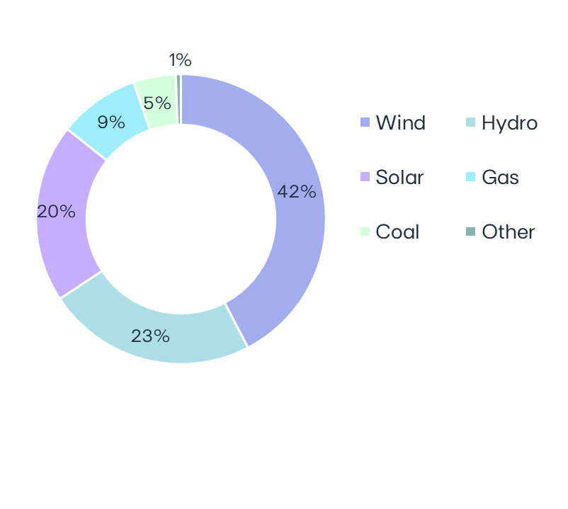
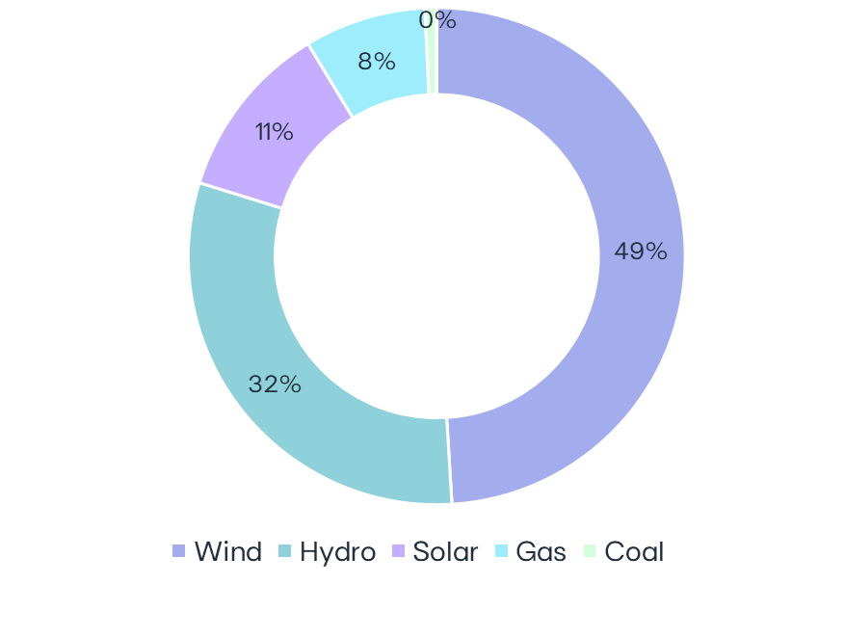
 |  |  |  |  |  |  | EBITDA MW |  |  | 1Q25 | 1Q24 | ∆ | ∆% | U/C |  |  |  |  |  | GWh |  | 1Q25 |  | 1Q24 |  | ∆ |  | ∆% |  |  | Electricity Generation | 1Q25
 |  |  |  |  |  |  | Wind Onshore |  |  | 12,264 | 12,134 | +130 | +1% | 672 |  | Installed capacity | 1Q25 |  |  |  | Wind Onshore |  | 8,970 |  | 9,056 |  | -86 |  | -1% |  |  |  |  |  |  |  |  |  |  | Iberia |  | 1Q25 | 1Q24 | ∆ | ∆%
 |  |  |  |  |  |  | North America |  |  | 6,361 | 6,374 | -13 | -0% | 200 |  | EBITDA + Equity MW |  |  |  | North America |  | 5,338 |  | 5,131 |  | +207 |  | +4% |  |  |  |  |  |  |  |  |  |  | Electricity distributed (GWh) |  | 16,116 | 15,621 | +495 | +3%
 |  |  |  |  |  |  | Europe |  |  | 4,872 | 4,930 | -58 | -1% | 348 |  |  |  |  |  | Europe |  | 2,989 |  | 3,475 |  | -486 |  | -14% |  |  |  |  |  |  |  |  |  |  | Portugal |  | 12,653 | 12,285 | +368 | +3%
 |  |  |  |  |  |  | South America |  |  | 1,032 | 831 | +201 | +24% | 124 |  |  |  |  |  | South America |  | 643 |  | 449 |  | +193 |  | +43% |  |  |  |  |  |  |  |  |  |  | Spain |  | 3,464 | 3,337 | +127 | +4%
 |  |  |  |  |  |  | Hydro |  |  | 6,924 | 6,921 | +3 | +0% |  |  |  |  |  |  | Hydro |  | 5,626 |  | 6,980 |  | -1,354 |  | -19%
 |  |  |  |  |  |  | Iberia (1) |  |  | 5,522 | 5,520 | +3 | +0% |  |  |  |  |  |  | Iberia(2) |  | 4,222 |  | 4,869 |  | -647 |  | -13% |  |  |  |  |  |  |  |  |  |  | Customers connected (th) |  | 7,953 | 7,883 | +71 | +1%
 |  |  |  |  |  |  | Brazil |  |  | 1,401 | 1,401 |  |  |  |  |  | 32 GW |  |  | Brazil |  | 1,403 |  | 2,111 |  | -708 |  | -34% |  |  |  |  | 18.3 TWh |  |  |  |  |  | Portugal |  | 6,554 | 6,491 | +63 | +1%
 |  |  |  |  |  |  | Solar utility Scale(2) |  |  | 4,424 | 2,335 | +2,089 | +89% | 908 |  |  |  |  |  | Solar utility Scale(3) |  | 1,728 |  | 661 |  | +1,067 |  | +161% |  |  |  |  |  |  |  |  |  |  | Spain |  | 1,400 | 1,392 | +8 | +1%
 |  |  |  |  |  |  | North America |  |  | 2,214 | 915 | +1,299 | +142% | 580 |  |  |  |  |  | North America |  | 1,095 |  | 205 |  | +890 |  | +435%
86% Renewables
91%
Renewables
 |  |  |  |  |  |  | Europe |  |  | 1,147 | 621 | +526 | +85% | 328 |  |  |  |  |  | Europe |  | 158 |  | 106 |  | +52 |  | +49% |  |  |  |  |  |  |  |  |  |  | Brazil |  | 1Q25 | 1Q24 | ∆ | ∆%
 |  |  |  |  |  |  | South America & APAC |  |  | 1,063 | 799 | +264 | +33% | 0 |  |  |  |  |  | South America & APAC |  | 475 |  | 351 |  | +124 |  | +35% |  |  |  |  |  |  |  |  |  |  | Electricity distributed (GWh) |  | 7,853 | 7,308 | +545 | +7%
 |  |  |  |  |  |  | Solar DG(3) |  |  | 1,483 | 1,223 | +260 | +21% | 103 |  |  |  |  |  | Solar DG |  | 385 |  | 265 |  | +120 |  | +45% |  |  |  |  |  |  |  |  |  |  | Final customers |  | 3,980 | 3,726 | +254 | +7%
 |  |  |  |  |  |  |  | North America |  | 263 | 246 | +17 | +7% | 55 |  |  |  |  |  | North America |  | 54 |  | 62 |  | -7 |  | -12% |  |  |  |  |  |  |  |  |  |  | Access customers |  | 3,873 | 3,582 | +291 | +8%
 |  |  |  |  |  |  |  | Europe |  | 381 | 272 | +109 | +40% |  |  |  |  |  |  | Europe |  | 60 |  | 22 |  | +39 |  | +176%
 |  |  |  |  |  |  |  | South America |  | 191 | 170 | +21 | +13% |  |  |  |  |  |  | South America |  | 97 |  | 39 |  | +59 |  | +153% |  |  |  |  |  |  |  |  |  |  | Customers connected (th) |  | 3,962 | 3,889 | +73 | +2%
 |  |  |  |  |  |  |  | APAC |  | 648 | 535 | +112 | +21% | 48 |  | Capacity evolution | YoY |  |  |  | APAC |  | 173 |  | 143 |  | +30 |  | +21% |  |  |  |  |  |  |  |  |  |  | EDP São Paulo |  | 2,186 | 2,150 | +36 | +2%
 |  |  |  |  |  |  | Storage |  |  | 207 | 56 | +150 | - | 345 |  | EBITDA + Equity MW |  |  |  | Gas Iberia |  | 1,448 |  | 388 |  | +1,059 |  | +273% |  |  |  |  |  |  |  |  |  |  | EDP Espírito Santo |  | 1,776 | 1,739 | +37 | +2%
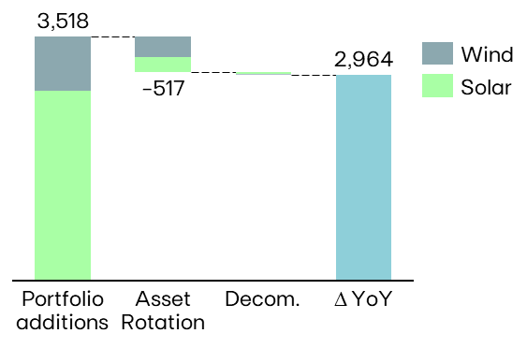
 |  |  |  |  |  |  |  | North America |  | 207 | 56 | +150 |  | 294 |  |  |  |  |  | Coal |  | 134 |  | 42 |  | +92 |  | +219%
 |  |  |  |  |  |  |  | Europe |  | 0 | 0 |  |  | 50 |  |  |  |  |  | Iberia |  | 134 |  | 42 |  | +92 |  | +219%
 |  |  |  |  |  |  |  | APAC |  | 0 | 0 |  |  | 2 |  |  |  |  |  | Other (4) |  | 5 |  | 12 |  | -7 |  | -56%
 |  |  |  |  |  |  | Gas Iberia |  |  | 2,886 | 2,886 |  |  |  |  |  |  |  |  | Total |  | 18,296 |  | 17,405 |  | 891 |  | +5% |  |  |  |  |  |  |  |  |  |  | KEY OPERATIONAL ANNOUNCEMENTS
 |  |  |  |  |  |  | Coal |  |  | 916 | 916 |  |  |  |  |  |  |  |  | (1) Includes generation assets with controlling stakes, excludes equity MWs; (2) Includes small-hydro; (3) Includes hybrid solar; (4) Cogeneration
 |  |  |  |  |  |  | Iberia |  |  | 916 | 916 |  |  |  |  |  |  |  |  |  |  |  |  |  |  |  |  |  |  |  |  |  |  |  |  |  |  |  | 02-jan-2025 | EDP signs Asset Rotation deal for a 300 MWac solar portfolio and 92 MW storage portfolio in the US
 |  |  |  |  |  |  | Other (4) |  |  | 17 | 17 | -0 | -1% |  |  |  |  |  |  |  |  |  |  |  |  |  |  |  |  |  |  |  |  |  |  |  |  |  | 13-jan-2025 | EDP issues €750 million senior green notes
 |  |  |  |  |  |  | EBITDA MW |  |  | 29,120 | 26,489 | +2,631 | +10% | 2,027 |  |  |  |  |  |  |  |  |  |  |  |  |  |  |  |  |  |  |  |  |  |  |  |  | 26-feb-2025 | EDP announces Share Buyback of €100 million
 |  |  |  |  |  |  | Equity MW (5) |  |  | 2,843 | 2,510 | +333 | +13% | 345 |  |  |  |  |  |  |  |  |  |  |  |  |  |  |  |  |  |  |  |  |  |  |  |  | 26-feb-2025 | EDP intends to opt to receive shares following scrip dividend announcement of EDPR
 |  |  |  |  |  |  | EBITDA + Equity MW |  |  | 31,963 | 28,999 | +2,964 | +10% | 2,373 |  |  |  |  |  |  |  |  |  |  |  |  |  |  |  |  |  |  |  |  |  |  |  |  | 03-mar-2025 | EDP announces amendments to terms and conditions of hybrids issued by EDP
 |  |  |  |  |  |  | (1) Includes small-hydro; (2) Solar capacity and solar load factors reported in MWac and includes hybrid solar; (3) As-a-service capacity ; (4) Cogeneration ; (5) Including attributable MWs in equity-method consolidated associates (mostly in wind offshore, hydro Brazil and wind & solar mainly in Spain/US) and joint operations (Nuclear in Spain), and includes coal minority stakes in Brazil and Spain. |  |  |  |  |  |  |  |  |  |  |  |  |  |  |  |  |  |  |  |  |  |  |  |  |  |  |  |  |  |  |  | 21-mar-2025 | EDP enters into an agreement for the sale of two Hydro Power Plants in Brazil
 |  |  |  |  |  |  |  |  |  |  |  |  |  |  |  |  |  |  |  |  | ENERGY SUPPLY |  |  |  |  |  |  |  |  |  |  |  |  |  |  |  |  |  | 28-mar-2025 | EDP assina dois contratos de financiamento verde com o BEI num total de €500 milhões
 |  |  |  |  |  |  |  |  |  |  |  |  |  |  |  |  |  |  |  |  | Volumes supplied (GWh) |  |  |  |  |  |  |  | No. of Clients (th) |  |  |  |  |  |  | Volumes of electricity supplied in Iberia - Liberalized | 1Q25
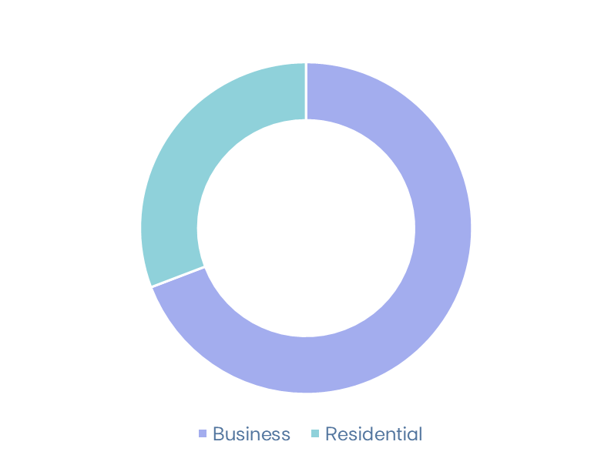
 |  |  |  |  |  |  |  |  |  |  |  |  |  |  |  |  |  |  |  |  |  |  | 1Q25 |  | 1Q24 |  | ∆% |  | 1Q25 | Dec-24 |  | 1Q24 |  | QoQ% | YoY%
MARKET INDICATORS |  |  |  |  |  |  | LOAD FACTORS
 |  |  |  |  |  |  | Load factors |  |  | 1Q25 | 1Q24 |  |  |  | Wind & Solar Production deviation vs. expected LT avg. Gross Capacity Factor | 1Q25 vs 1Q24 |  |  | Hydro resources deviation vs. historical avg. | 1Q25 vs 1Q24 |  |  | Electricity Iberia |  | 7,294 |  | 7,261 |  | +0% |  | 4,307 | 4,377 |  | 4,603 |  | -2% | -6%
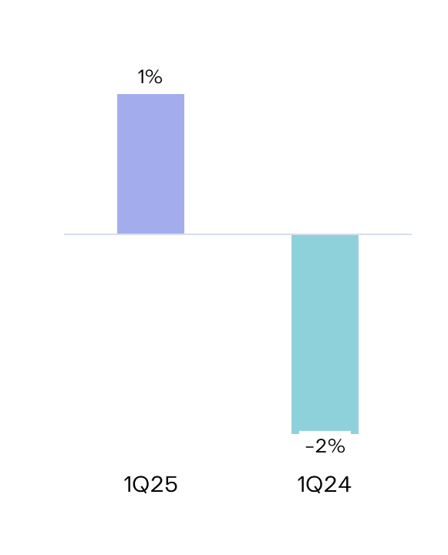
Iberian market |  |  |  | 1Q25 | 1Q24 | ∆% | Wind Onshore |  |  | 35% | 34% |  |  |  |  |  |  |  |  |  | Portugal Liberalized |  | 4,499 |  | 4,429 |  | +2% |  | 3,452 | 3,499 |  | 3,682 |  | -1% | -6%
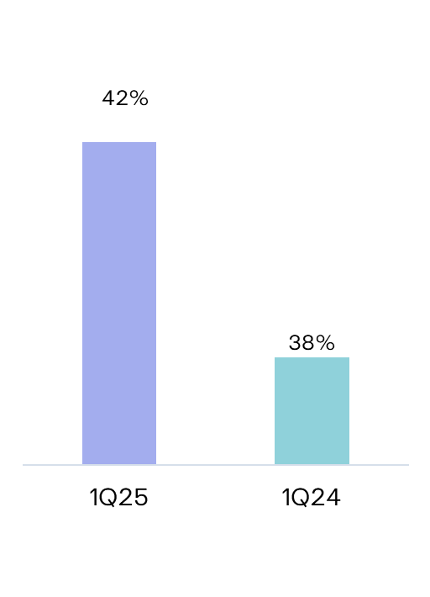
Average electricity spot price - Spain |  |  | €/MWh | 85.3 | 44.9 | +90% | North America |  |  | 39% | 35% |  |  |  |  |  |  |  |  |  | Portugal Regulated |  | 732 |  | 798 |  | -8% |  | 839 | 860 |  | 902 |  | -2% | -7%
Hydro coefficient - Portugal |  |  | 1.0 = avg. Year | 1.42 | 1.38 | 3% | Europe |  |  | 29% | 33% |  |  |  |  |  |  |  |  |  | Spain |  | 2,064 |  | 2,034 |  | +1% |  | 16 | 18 |  | 19 |  | -13% | -15% |  | 6.6 TWh
Hydro coefficient - Spain |  |  | 1.0 = avg. Year | 1.40 | 1.40 | 0% | South America |  |  | 34% | 29%
Brazilian market |  |  |  |  |  |  | Hydro |  |  | 38% | 46% |  |  |  |  |  |  |  |  |  | Gas Iberia |  | 1,182 |  | 1,441 |  | -18% |  | 558 | 564 |  | 579 |  | -1% | -4%
Average spot price (PLD) |  |  | R$/MWh | 160 | 61 | 162% | Iberia(1) |  |  | 35% | 40% |  |  |  |  |  |  |  |  |  | Portugal Liberalized |  | 533 |  | 557 |  | -4% |  | 447 | 453 |  | 467 |  | -1% | -4%
Generation Scalling Factor (GSF) (1) |  |  | % | 108% | 90% | +19% | Brazil |  |  | 46% | 69% |  |  |  |  |  |  |  |  |  | Portugal Regulated |  | 169 |  | 185 |  | -8% |  | 108 | 108 |  | 110 |  | -0% | -2%
Exchange rates |  |  |  |  |  |  | Solar Utility Scale |  |  | 20% | 25% |  |  |  |  |  |  |  |  |  | Spain |  | 481 |  | 699 |  | -31% |  | 3 | 3 |  | 3 |  | -4% | -4%
EUR/USD | - | Average |  | 1.05 | 1.09 | +3% | Solar DG |  |  | 12% | 13%
EUR/BRL | - | Average |  | 6.16 | 5.38 | -13% | Gas Iberia |  |  | 23% | 6%
EUR/USD | - | End of period |  | 1.08 | 1.08 | -0% | Coal Iberia |  |  | 7% | 2%
EUR/BRL | - | End of period |  | 6.25 | 5.40 | -14% | Other(2) |  |  | 15% | 3114%
(1) Weighted average |  |  |  |  |  |  | (1) Includes small-hydro; (2) Cogeneration
 |  |  |  |  |  |  |  |  |  |  |  |  |  |  |  |  |  |  |  | 1Q25 RESULTS RELEASE
 |  |  |  |  |  |  |  |  |  |  |  |  |  |  |  |  |  |  |  | EDP's 1Q25 results will be released on May 9th, 2025. A conference call will be hosted by EDP's CEO, Mr. Miguel Stilwell d'Andrade and EDP's CFO, Mr. Rui Teixeira, on the same day at 8:30 am GMT. More information will be available on www.edp.com.
Investor Relations Department | Phone: +351 21 001 28 34 | Email: ir@edp.com |  |  |  |  |  |  |  |  | www.edp.com |  |  |  |  |  |  |  |  |  | 1 | Investor Relations Department | Phone: +351 21 001 28 34 | Email: ir@edp.com |  |  |  |  |  |  |  |  |  |  |  |  |  |  |  |  |  | www.edp.com |  |  |  |  |  |  | 2

